1. Title Page
Product & Customer analysis

Project Name: Product & Customer analysis
Date: 07.04
Analyst Name: Alina I

Contents:
Population Flow
Consistency checks
Wrangling steps
Column derivations
Visualizations
Recommendations

Data Citatation:
"The Instacart Online Grocery Shopping Dataset 2017", Accessed from “The Instacart Online Grocery Shopping Dataset 2017”, Accessed from https://www.instacart.com/datasets/grocery-shopping-2017 on February 27, 2023.

2. Population Flow
Title page

Population flow

Departments - original data
Exclusion flag
Condition: max_order <
Obervations to be removed:
Final total count of order_products_all:
Total: 1, 21

Departments - after consistency checks
Total: 21, 1

Orders_products_combined
Orders_products_merged
Orders_products_all

Total: 32434489, 9
Total: 32433030, 12
Total: 32433030, 31

1.) The grey boxes in the first row of the population flow represent the original data sets as they were when you downloaded them. In the Total fields you need to add the count of the rows when you imported the data set into Jupyter.
2.) The second row of boxes (coloured) represents the data sets after you manipulated them, e.g., removed missing values and duplicates. In the Total fields you need to add the count of the rows after conducting these operations. This offers a visual oveview of how the data flows throughout the data consistency checks.
3.) The third row, where also the arrows are coloured, represents the merges you performed between the datasets. In the Total fields you need to add the count of the rows in the merged datasets, so that you end up with the final dataset (in the red box). Keep in mind the final dataset should be without exclusions (based on the exclusion flag).

3. Consistency checks
 |  |  |  | Title page
Consistency checks

Dataset | Missing values | Missing values treatment | Duplicates
orders | 206209 missing values in column: "days_since_prior_order" | no treatment. All 206209 rows had order_numer = 1. That means that the value was missing where no privious order existed | no duplicates found
products | no missing values found |  | 5 dupicated rows found and deleted
orders_products_prior | no missing values found |  | no duplicates found
customers | no missing values found |  | no duplicates found

4. Wrangling steps
 |  |  |  |  | Title page
Wrangling steps

Orders
Data set | Columns dropped | Columns renamed | Columns' type changed | Comment/Reason
orders.csv | eval_set |  |  | This information was not required in investigation
orders.csv |  |  | odert_id --> int32 order_number --> int8 user_id --> int32 order_dow --> int8 order_hour_of_day --> int8 'days_since_prior_order --> float16 | Changes had to be done to avoid MemoryError issues
order_products__prior.csv |  |  | order_id --> int32 product_id --> int32 add_to_card_order--> int16 reordered --> int8 | Changes had to be done to avoid MemoryError issues
product.csv | aisle_id |  |  | This information was not required in investigation
product.csv |  |  | product_id --> int32 department_id --> int32 product_name --> str | Changes had to be done to avoid MemoryError issues Product_name column had mixt data type, therefore changed it to str
product.csv |  |  |  | After merge, 2029 rows were dropped. Product id 6799 from orders table was not found in orders table.
customers.csv | First Name', 'Surnam', 'date_joined' |  |  | This information was not required in investigation
customers.csv |  |  | user_id --> int32 Age --> int8 n_dependants --> int8 income --> int32
customers.csv |  | Gender' --> 'gender', 'STATE' --> 'state', 'Age' --> 'age', 'n_dependants' --> 'nr_dependants' |  | Column names were changed to harmonize naming

5. Column derivations
 |  |  |  | Title page

Column derivations and aggregations

In this tab you should add tables below that the frequences of flags/label variables that you produced after deriving them. NB: don't do this for continuous variables, only for flags.
Dataset | New column | Column/s it was derived from | Conditions
Orders_products_all.pkl | Region | Values assigned according information provided by Census-Bureau
Orders_products_all.pkl | spend_mean | 'user_id', 'price'
Orders_products_all.pkl | spend_flag | 'spend_mean' | If spend_mean >= 10 => spend_flag = 'High spender' if spend_mean < 10 => spend_flag = 'Low spender'
Orders_products_all.pkl | max_order | 'user_id', 'order_number'
Orders_products_all.pkl | activity_flag' | 'max_order' | if 'max_order' > 5 => 'High activity if 'ma_order' < 5 'Low activity'
Orders_products_all.pkl | age_category | age | - age <= 30 Young customer - age (30;55] Mature customer - age > 55 Eledry customer
Orders_products_all.pkl | income_category | income | income < 40000 Low budget income 40000 - 100000 Middle budget income 100000 - 250000 High budget income >= 250000 Very high budget
Orders_products_all.pkl | meat_preference | department | users which never bough prodocst from 'meat and sea food' department are flagged as vegetarians
Orders_products_all.pkl | young_parent | departmenr, age | customers who are qualified as young custoemrs and who buy producst from babies department are qualified as young parents
Orders_products_all.pkl | product_price_range | prices | iprice < 5 => Low price price [5;40) Middle price price >= 40 => High price
Orders_products_all.pkl | loylty flag | max_order | max_order < 20 => low loyalty max_order [20;50) =>loyal max_order > 50 => high loyalty

6. Visualization
 |  |  |  |  |  |  |  |  |  |  | Title page

Visualisations

In this tab you should include all the visualtions from Exercises 4.9 and 4.10, alongside the questions from the project brief that they answer. Include any commentary on the relationship between different variables.

 | Question 1 |  |  |  |  | Answer
 | The sales team needs to know what the busiest days of the week and hours of the day are (i.e., the days and times with the most orders) in order to schedule ads at times when there are fewer orders. |  |  |  |  | Sunday, Saturday and Friday are the dayas with highest number of orders created
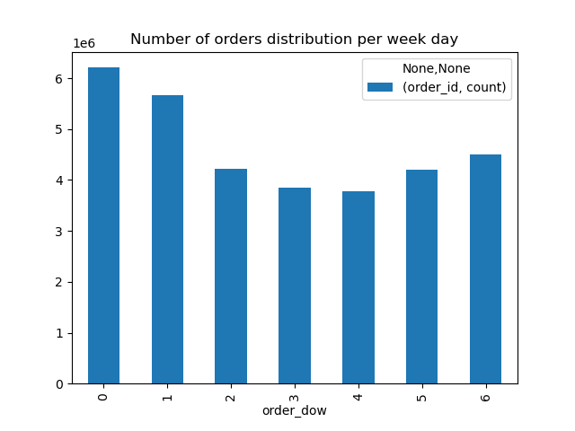

 | Question 2 |  |  |  |  | Answer
 | They also want to know whether there are particular times of the day when people spend the most money, as this might inform the type of products they advertise at these times. |  |  |  |  | The highers amount of orders are created between 8am and 5 pm

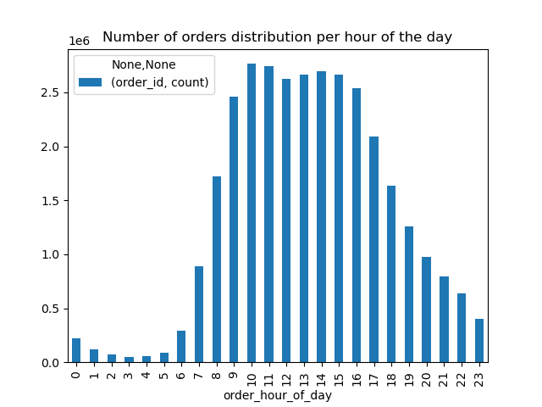

 | Question 3 |  |  |  |  | Answer
 | Instacart has a lot of products with different price tags. Marketing and sales want to use simpler price range groupings to help direct their efforts. |  |  |  |  | Most of the products are in midle price (price between 5 and 40) category. About 30% of products have low price (price less than 5) category

Question 4 |  |  |  |  | Answer
Are there certain types of products that are more popular than others? The marketing and sales teams want to know which departments have the highest frequency of product orders. |  |  |  |  | Most populare departments are: Produce Dairy eggs Snacks

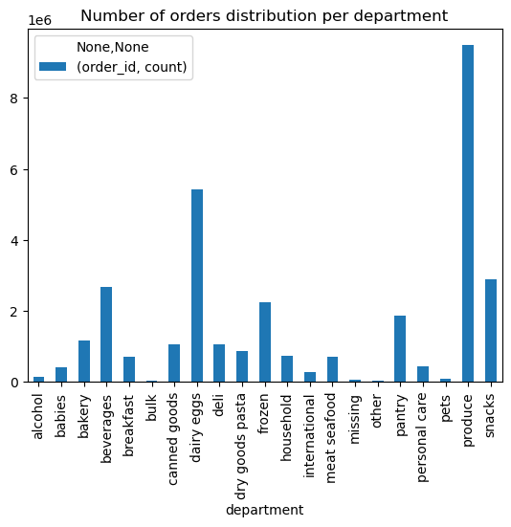

Question 4 |  |  |  |  | Answer
The marketing and sales teams are particularly interested in the different types of customers in their system and how their ordering behaviors differ. For example: a What’s the distribution among users in regards to their brand loyalty (i.e., how often do they return to Instacart)? b Are there differences in ordering habits based on a customer’s loyalty status? c Are there differences in ordering habits based on a customer’s region? d. Is there a connection between age and family status in terms of ordering habits? e. What different classifications does the demographic information suggest? Age? Income? Certain types of goods? Family status? f. What differences can you find in ordering habits of different customer profiles? Consider the price of orders, the frequency of orders, the products customers are ordering, and anything else you can think of. |  |  |  |  | a. Most of customers have created between 0 and 10 orders b. There is no significant difference in prefferences in function of loyalty flag c. There is no ordering habits diferents based on customer's region d. There is no visible connection between age category and family satus in terms of ordering habits e. Age distribution in function of region did not show any differences. However the income categories are not distributed egualy among age categories: High and very high budget categories are seen mostla by mature and eldery customers. f) - There is no difference in between male and female customers in function of department - Female customers tend to create 1% more orders that male customers -Male customers tend to buy slightly more expensive products - I naverage, vegetarian customers tend to by more expensive products -Young parents tend to buy in average less expensive products

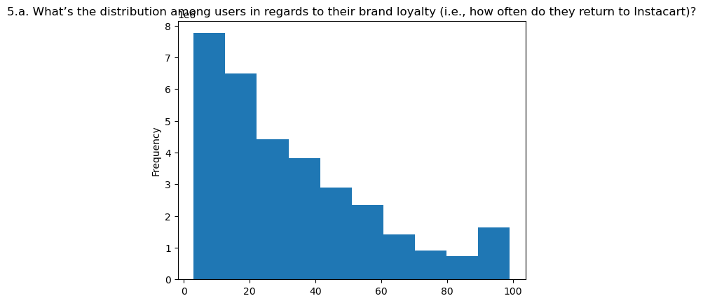

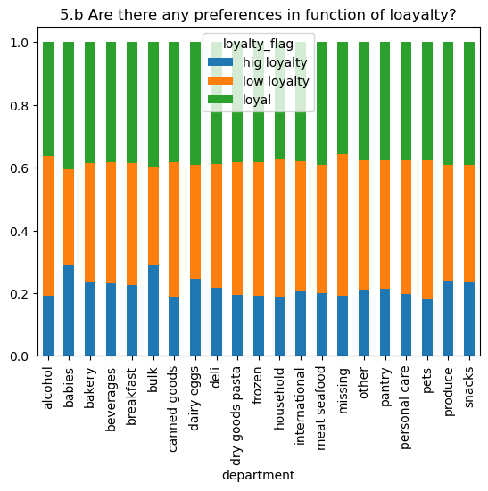
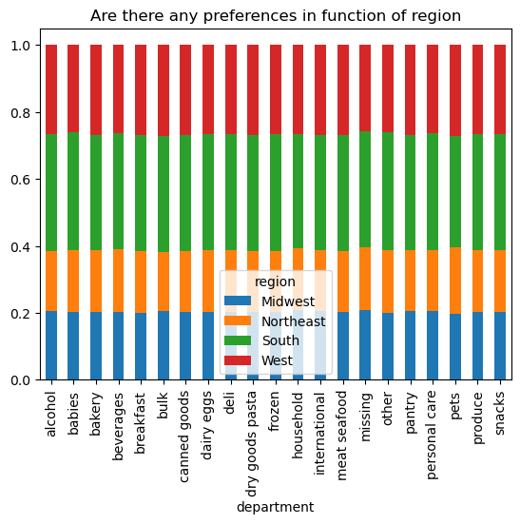

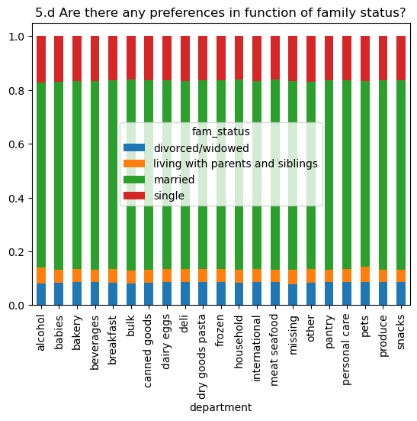
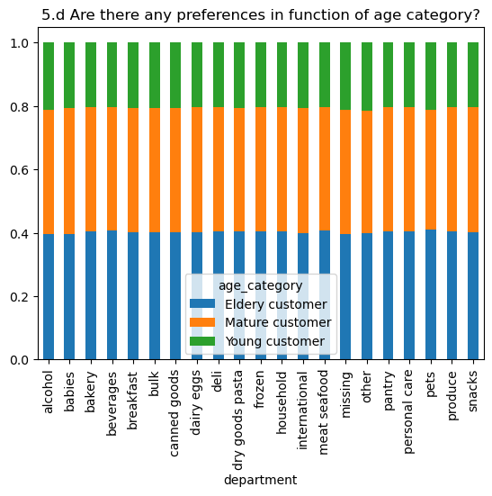

 |  | 5.e

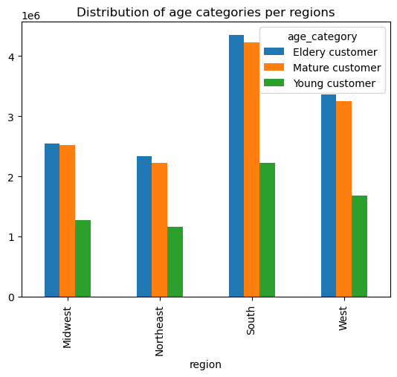
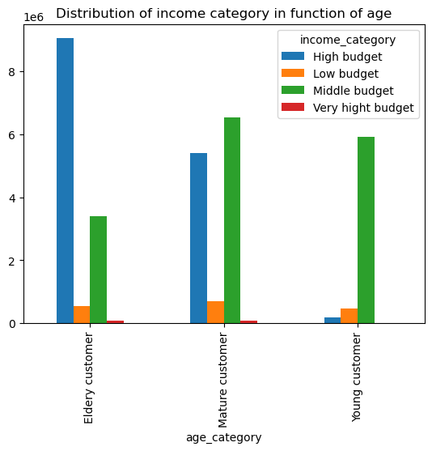

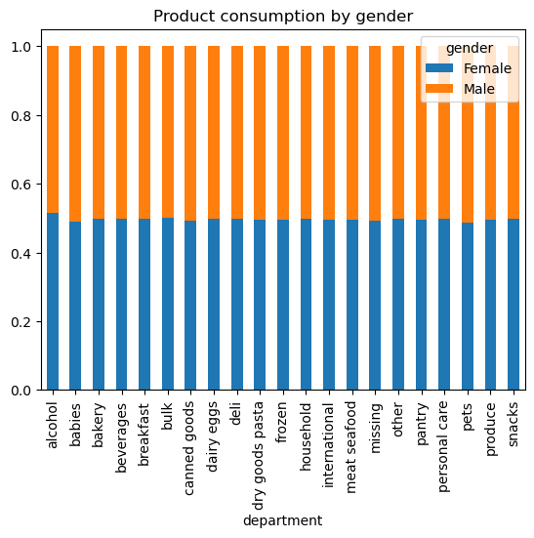

 |  |  |  |  |  |  |  | max_order
 |  |  |  |  |  |  |  | min | mean | max
 |  |  |  |  |  |  | gender
 |  |  |  |  |  |  | Female | 3 | 33,206,882 | 99
 |  |  |  |  |  |  | Male | 3 | 32,899,862

 |  |  |  |  |  |  |  | prices
 |  |  |  |  |  |  |  | min | mean | max
 |  |  |  |  |  |  | gender
 |  |  |  |  |  |  | Female | 1.0 | 11,893,261 | 99999
 |  |  |  |  |  |  | Male | 1.0 | 12,068,183 | 99999

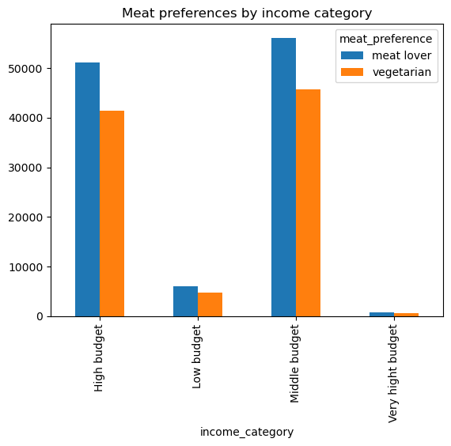

 |  |  |  |  |  |  |  | prices
 |  |  |  |  |  |  |  | min | mean | max
 |  |  |  |  |  |  | meat_preference
 |  |  |  |  |  |  | meat lover | 1.0 | 10,615,703 | 99999.0
 |  |  |  |  |  |  | vegetarian | 1.0 | 15,319,087 | 99999.0

 |  | prices
 |  | min | mean | max
 | young_parent
 | not a young parent | 1.0 | 12,815,396 | 99999.0
 | young_parent | 1.0 | 9,990,589 | 14900.0

7. Recommendations
 | Title page

Recommendations

In this tab you should include any recommendations you would made to Instcart in terms of their marketing strategy based on the questions posed in the brief. Every key question has been covered in the Tasks of the Exercises - here you need to add an item - a visualisation or table/crosstable that is showing the answer in the data, acompanied by a comment from you. Please, list the questions below and add the answer underneath.

1. Vegetarian customer: In the visualization we showed that vegetarian customers are paying in average higher price per product. Further investigation are needed on whether this is a segment to address with high quality products
2. Customers who belong to young perents categories tend to spend less per product. Further investigations are needed on whether these customers would be receptive for special offers
3. Male customers tend to spend more per product. Further investigations are required to identify the reason. The reason could be quality prefference, or less knowledge of product sortiment, or other.
4. Just get real data, in what is related to users. This data is absolutely boring ;)

